Index
Gender Equality Data and Statistics
Female infanticide
Women at Work database
Global Gender Gap Report

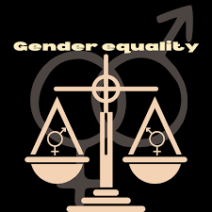
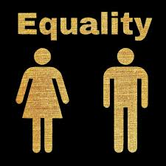

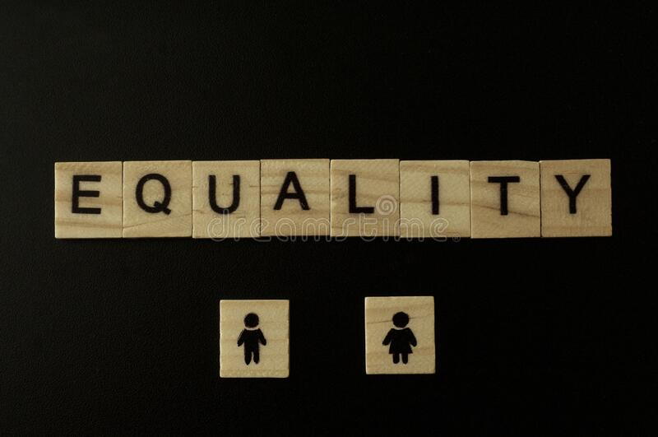
Female infanticide

 | Female infanticide | Female infanticide

